Naive Bayes Theorem
Naïve Bayes Theorem

 | This is a classification problem
 | Works as probability of an event

 | Example
 |  | Say you have go to a Party outside based on certain condition

 |  | x1 | x2 | x3 | … |  | y
 |  | time | rule | Financial Condition |  |  | Decision

 |  | 12 - 6 PM | 144 | Money |  |  | No

 |  | Here each of the individual independent variables are affecting y output independently .
 |  | So in this kind of scenario we can take Naïve Bayes theorem .

 | Formula
 |  |  | P(A|B) | = | P(A) * P(B|A) / P(B)

 | Detail Explaination with Example
 |  |  |  |  | X |  | y |  | Outlook |  |  |  |  |  | Temperature
 |  |  | Outlook | Temperature | Humidity | Windy | Play Golf |  |  | Yes | No | P(Yes) | P(No) |  |  | Yes | No | P(Yes) | P(No)
 |  | 0 | Rainy | Hot | High | False | No |  | Sunny | 2 | 3 | 2 / 9 | 3 / 5 |  | Hot | 2 | 2 | 2 / 9 | 2 / 5
 |  | 1 | Rainy | Hot | High | True | No |  | Overcast | 4 | 0 | 4 / 9 | 0 / 5 |  | Mild | 4 | 2 | 4 / 9 | 2 / 5
 |  | 2 | Overcast | Hot | High | False | Yes |  | Rainy | 3 | 2 | 3 / 9 | 2 / 5 |  | Cool | 3 | 1 | 3 / 9 | 1 / 5
 |  | 3 | Sunny | Mild | High | False | Yes |  |  | 9 | 5 |  |  |  |  | 9 | 5
 |  | 4 | Sunny | Cool | Normal | False | Yes
 |  | 5 | Sunny | Cool | Normal | True | No |  | Humidity |  |  |  |  |  | Wind
 |  | 6 | Overcast | Cool | Normal | True | Yes |  |  | Yes | No | P(Yes) | P(No) |  |  | Yes | No | P(Yes) | P(No)
 |  | 7 | Rainy | Mild | High | False | No |  | High | 3 | 4 | 3 / 9 | 4 / 5 |  | False | 6 | 2 | 6 / 9 | 2 / 5
 |  | 8 | Rainy | Cool | Normal | False | Yes |  | Normal | 6 | 1 | 6 / 9 | 1 / 5 |  | True | 3 | 3 | 3 / 9 | 3 / 5
 |  | 9 | Sunny | Mild | Normal | False | Yes |  |  | 9 | 5 |  |  |  |  | 9 | 5
 |  | 10 | Rainy | Mild | Normal | True | Yes
 |  | 11 | Overcast | Mild | High | True | Yes |  |  |  |  | Play Golf
 |  | 12 | Overcast | Hot | Normal | False | Yes |  |  |  |  |  |  | P(Yes) / P(No)
 |  | 13 | Sunny | Mild | High | True | No |  |  |  |  | Yes | 9 | 9 / 14
 |  |  |  |  |  |  |  |  |  |  |  | No | 5 | 5 / 14
 |  |  | Here intutition is :

 |  |  |  |  |  | y = | Class Variable
 |  |  |  |  |  | X = | Multiple features

 |  |  |  |  |  | X = x1,x2,x3,x4….....,xn

 |  |  |  |  | X = ( Rainy , Hot , High , False )
 |  |  |  |  | y = No

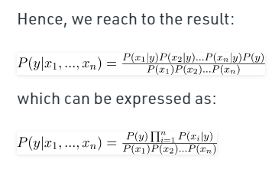

 |  |  | Output would be - Class variable with Maximum Probability value yeild the result .

 |  | Now Calculate with Test Data :
 |  | Q - 1 |  | today = (Sunny, Hot, Normal, False)
 |  |  |  |  |  |  |  | P ( Yes | today )
 |  |  |  |  |  |  |  | P ( No | today )

 |  | P ( Y | today ) |  | = | P(S/y)*P(H/y)*P(N/y)*P(F/y) * P(y) / P(S)*P(H)*P(N)*P(F) |  |  |  |  | = | 2 / 9 * 2 / 9 * 6 / 9 * 6 / 9 * 9 / 14 |  |  | ~ 0.0141

 |  | P ( N | today ) |  | = | P(S/n)*P(H/n)*P(N/n)*P(F/n) * P(n) / P(S)*P(H)*P(N)*P(F) |  |  |  |  | = | 3 / 5 * 2 / 5 * 1 / 5 * 2 / 5 * 5 / 14 |  |  | ~ 0.0068

 |  |  |  |  | So today you can play Golf

 |  | Q - 2 |  | today = (Overcast, Mild, High, False)
 |  |  |  |  |  |  |  | P ( Yes | today )
 |  |  |  |  |  |  |  | P ( No | today )

 |  | P ( Y | today ) |  | = | P(S/y)*P(H/y)*P(N/y)*P(F/y) * P(y) / P(S)*P(H)*P(N)*P(F) |  |  |  |  | = | 4 / 9 * 4 / 9 * 3 / 9 * 6 / 9 * 9 / 14 |  |  | ~ 0.0282

 |  | P ( N | today ) |  | = | P(S/n)*P(H/n)*P(N/n)*P(F/n) * P(n) / P(S)*P(H)*P(N)*P(F) |  |  |  |  | = | 0 / 5 * 2 / 5 * 4 / 5 * 2 / 5 * 5 / 14 |  |  | ~ 0

 |  |  |  |  | So today you can play Golf

 |  | Advantage
 |  |  | Extremely fast for both training and prediction as they don't have to learn to create separate class
 |  |  | probability prediction
 |  |  | easy to interprete
 |  |  | fewer parameter to tune

 |  | Disadvantage

 |  |  | NB assumes always that the features independent of each other which is not always the scenario .
 |  |  | ZERO FREQUENCY - if the category of any categorical variable is not seen in training dataset even once , then model assign a zero probability to that category and then a prediction cann't be made .

 | Other NBs : |  | For continuous data use below Naïve Bayes theorem classifiers

 |  |  | Gaussian Distribution Naïve Bayes
 |  |  | Multinomial Naïve Bayes
 |  |  | Bernoulli Naïve Bayes
 | Reference
 |  | https://www.geeksforgeeks.org/naive-bayes-classifiers/#:~:text=Naive%20Bayes%20classifiers%20are%20a,let%20us%20consider%20a%20dataset.

Decision Tree
Decision Treee

 | Both in
 | Classification Problem
 | Regression Problem

Key Points |  |  |  |  |  |  |  |  |  |  |  | Parent Node
 |  |  |  |  | To A party decision ?
 | Decision Based Approach |  |  |  | Time | Money | Decision
 |  |  |  |  | 12 | Y | Y |  |  | Data Node
 |  |  |  |  | 10 | N | N
 |  |  |  |  | 9 | N | N
 |  |  |  |  | 8 | Y | Y

 |  |  |  |  |  |  |  |  |  | Leaf Node |  | Here your final decision will be present

 |  |  |  |  | This has two features , so easy to plot . Say we have 10 features , then we have to make decision tree and make the decision .

 |  | This is the base model for Ensemble technique algorithm .

Data Given
 |  | x | y | z | C |  |  | Entropy
 |  | 1 | 1 | 1 | I |  |  |  | - pi log(pi)
 |  | 1 | 1 | 0 | I
 |  | 0 | 0 | 1 | II |  |  |  |  |  | How random your dataset is
 |  | 1 | 0 | 0 | II |  |  |  |  |  | Probability of occurance of dataset in a certain space
 |  | 0 | 0 | 1 | ?

 |  |  | Here leaf node will decide the decision , but how to make who will be the parent and who will be leaf node ?

 |  |  | So Entropy and Information Gain comes into picture .
 | 1 ) Entropy Calculation
 |  |  | What is the randomness of each and every columns - x , y , z
 |  |  | What is the Entropy of column - x , y , z

 |  |  |  |  | I |  | II
 | Ex | I | 1 |  | - 2/3 log 2/3 | + | - 1/3 log 1/3 |  | = | 0.296

 |  | II | 0 |  | - 0/3 log 0/3 | + | - 1/1 log 1/1 |  | = | 0

 | Ey | I | 1 |  | - 2/2 log 2/2 | + | - 0/2 log 0/2 |  | = | 0

 |  | II | 0 |  | - 0/2 log 0/2 | + | - 2/2 log 2/2 |  | = | 0

 | Ez | I | 1 |  | - 1/2 log 1/2 | + | - 1/2 log 1/2 |  | = | 1

 |  | II | 0 |  | - 1/2 log 1/2 | + | - 1/2 log 1/2 |  | = | 1

 |  |  | Entropy is the calculation of randomness of data
 |  |  | Entropy is the purity of the split
 |  |  | Ranges between 0-1

 | 2 ) Information Gain
 |  |  | If Entropy is given which one is going to give highest Information Gain .
 |  |  | This will decide who will be the parent

 |  |  | IG = | 1 - ( | sv / s * Ei ) |  |  | sv = Subset
 |  |  |  |  |  |  |  | s = Entire set
 |  |  | Gx = | 1 - ( 3/4 * 0.276 + 1/4 * 0 ) |  | = 0.7
 |  |  | Gy = | 1 - ( 2/4 * 0 + 2/4 * 0 ) |  | = 1
 |  |  | Gz = | 1 - ( 2/4 * 1 + 2/4 * 1 ) |  | = 0

 |  | Highest Information Gain is the Parent Node / Root Node .
 |  |  | Here Gy , So column y
y
 | Next Step and Full tree construction

 |  |  |  |  | 1 |  | 0

 |  |  | x | z | C |  | x | z | C
 |  |  | 1 | 1 | I |  | 0 | 1 | II
 |  |  | 1 | 0 | I |  | 1 | 0 | II

 |  |  | Calculate
 |  |  |  | Ex | Gx |  | Ex | Gx

 |  |  |  | Ez | Gz |  | Ez | Gz

 |  | Suppose we build decision tree from training dataset as below ( Hypothetically ) ,

y
 |  |  |  |  |  | Parent Node

z
x
 |  |  |  |  | 1 | 0
 |  |  |  | Data Node |  |  |  |  | Tree construction will happen during training
 |  |  |  |  |  |  | 1 0 |  | Testing - Red color path and will find output as II
 |  |  |  | 1 | 0
z
z
x
x

 |  |  |  | 1 0 | 1 0 | 1 | 0 | 1 0

 |  |  |  | I | I I | I II | II | II II

Question
 |  | Let's say dataset is :

 |  | x | y | z | C
 |  | 5 | 6 | 7 | I |  | Take mean of column x = 14/3 = 4.67
 |  | 4 | 2 | 3 | II
 |  | 5 | 8 | 10 | I
x
x
 |  |  |  |  |  |  |  |  | 4.67
 |  |  |  |  |  |  |  |  |  |  |  |  |  | OR
z
z
 |  |  |  |  |  |  |  |  | 1 | 0 |  |  |  |  | 0 - 5 | 5 - 10 | 10 - 15
y
y
y
 |  |  |  |  |  |  |  |  |  |  | 1 0

Gini Impurity

 |  | Dataset given is

 |  |  |  | Class | Gender | Stay in Hostel
 |  |  |  | 9 | M | Yes
 |  |  |  | 10 | F | No
 |  |  |  | 8 | F | Yes
 |  |  |  | 8 | F | No
 |  |  |  | 9 | M | Yes
 |  |  |  | 10 | M | No
 |  |  |  | 11 | F | Yes
 |  |  |  | 11 | M | Yes
 |  |  |  | 8 | F | Yes
 |  |  |  | 9 | M | No
 |  |  |  | 11 | M | No
 |  |  |  | 11 | M | Yes
 |  |  |  | 10 | F | No
 |  |  |  | 10 | M | Yes

 | Convert to :
 |  |  |  | Class | Stay in Hostel | Total Values | P(Yes) | P(No) |  |  |  | Gender | Stay in Hostel | Total Values | P(Yes) | P(No)
 |  |  |  | 8 | Yes=2, No=1 | 3 | 2/3 | 1/3 |  |  |  | M | Yes=5, No=3 | 8 | 5/8 | 3/8
 |  |  |  | 9 | Yes=2, No=1 | 3 | 2/3 | 1/3 |  |  |  | F | Yes=3, No=3 | 6 | 3/6 | 3/6
 |  |  |  | 10 | Yes=1, No=3 | 4 | 1/4 | 3/4
 |  |  |  | 11 | Yes=3, No=1 | 4 | 3/4 | 1/4
 |  |  |  |  |  | 14

 |  | Gini Impurity for Class : |  |  |  |  |  |  |  |  | Gini Impurity for Gender :

 |  |  |  | G ( Class 8 ) = 1 - [P(Yes)]**2 - [P(No)]**2 |  |  |  |  |  |  |  | G ( Gender M ) = 1 - [P(Yes)]**2 - [P(No)]**2
 |  |  |  |  | =1-(2/3)*2-(1/3)*2 |  |  |  |  |  |  |  | =1-(5/8)*2-(3/8)*2
 |  |  |  |  | =4/9 |  |  |  |  |  |  |  | = 0.47

 |  |  |  | G ( Class 9 ) = 1 - [P(Yes)]**2 - [P(No)]**2 |  |  |  |  |  |  |  | G ( Gender F ) = 1 - [P(Yes)]**2 - [P(No)]**2
 |  |  |  |  | =1-(2/3)*2-(1/3)*2 |  |  |  |  |  |  |  | =1-(1/2)*2-(1/2)*2
 |  |  |  |  | =4/9 |  |  |  |  |  |  |  | = 0.5

 |  |  |  | G ( Class 10 ) = [P(Yes)]**2 - [P(No)]**2
 |  |  |  |  | =1-(1/4)*2-(3/4)*2
 |  |  |  |  | =6/16

 |  |  |  | G ( Class 11 ) = 1 - [P(Yes)]**2 - [P(No)]**2
 |  |  |  |  | =1-(1/4)*2-(3/4)*2
 |  |  |  |  | =6/16

 |  | Weighted Sum of Gini Impurity for Class feature : |  |  |  |  |  |  |  |  | Weighted Sum of Gini Impurity for Gender feature :

 |  |  |  | G(Class) = | No. of instance / Total no. of instance * G(Class = 8 ) |  |  |  |  |  |  |  | G(Gender) = | No. of instance / Total no. of instance * G( Gender M )
 |  |  |  |  | + n/m * G(Class=9) |  |  |  |  |  |  |  |  | + n/m * G( Gender F)
 |  |  |  |  | + n/m * G(Class=10)
 |  |  |  |  | + n/m * G(Class=11) |  |  |  |  |  |  |  | = | 8/14*0.47 + 6/14*0.5
 |  |  |  |  |  |  |  |  |  |  |  |  | = | 0.268 + 0.214
 |  |  |  | = | 3/14*4/9+3/14*4/9+4/14*6/16+4/14*6/16 |  |  |  |  |  |  |  | = | 0.4822

 |  |  |  | = | 0.404

 |  | So , G(Class) < G(Gender) |  |  | 0.404 < 0.4822

 |  |  | Thus root node is : Class

 |  |  |  |  | Class |  |  |  |  |  | Class
 |  |  |  | 8 9 10 11
 |  |  |  |  |  |  |  |  | 8 | 9 |  | 10 | 11
 |  |  | F Yes | F Yes
 |  |  | F No | F No
 |  |  | F Yes | F Yes |  |  |  |  | Gender | Gender |  | Gender | Gender

 |  |  |  |  |  |  |  |  | M F | M F |  | M F | M F

 |  |  | - If no. of features/columns increases , repeat the same step after choosing root node .
 |  |  | - Same dataset , decision tree can be formed by Gini Impurity or Information Gain
 |  |  | - Can have n no. of branches .

Other Algorithms
 |  | Different algorighms for Decision Tree are :

 |  |  | ID3
 |  |  | C4.5
 |  |  | CART
 |  |  | C5.0
 |  |  | MARS
 |  |  | Decision Stump
 |  |  | M5
 |  |  | CIT ( Conditional Inference Tree )
 |  |  | CHAID

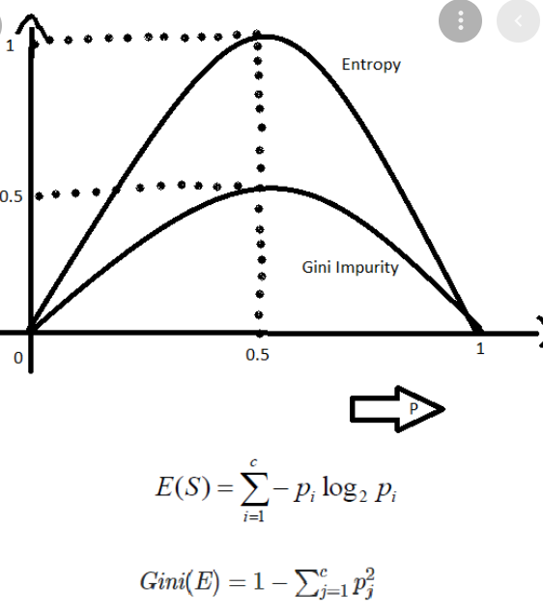
Entropy Vs Gini Impurity
 |  |  | Entropy |  | Gini Impurity

 |  |  | Log |  | No Log
 |  |  | Small Dataset |  | Large Dataset

Advantage
 | Both Regression and Classification
 | Can be visualized even if complex tree
 | Scaling and Normalization are not needed

Disadvantage
 | Small change in data cause instability
 | Probability of Overfitting is very high
 | Takes more time to train than classification algorithm

Point -1
 | Infinite grown tree [ Overfitting Data ]
 |  | Can be solved by Pre-Prunning & Post-Prunning .

Decision Tree for Regression

 |  | x1 | x2 | x3 | R |  |  |  | x1 |  | x2 |  | x3
 |  | 4 | 100 | 11 | 0.5 |  |  |  | 1 - 10 |  | 11 - 500 |  | 11 - 16
 |  | 5 | 11 | 12 | 0.6
 |  | 1 | 200 | 13 | 0.8 |  |  |  | 1 - 5 |  | 11 - 110 |  | 11 - 13
 |  | 2 | 300 | 14 | 0.4 |  | Regions |  | 6 - 10 |  | 111 - 300 |  | 14 - 16
 |  | 8 | 400 | 15 | 0.3 |  |  |  |  |  | 301 - 500
 |  | 10 | 500 | 16 | 0.8
 |  | 5 | 200 | 21 | ??? |  |  | 5 |  | 200 |  | 21 |  | * Regions are selected in such a way that to reduce the following sum of squares of residuals
 |  |  |  |  |  |  |  |  |  |  |  |  |  | Minimize the residuals
 |  |  |  |  |  |  |  |  |  |  |  |  |  | You will be able to select the region based on below formula
 |  |  |  |  |  |  |  | Region 1 - 5 avg is : 0.6
 |  |  |  |  |  |  |  | Region 111 - 300 avg is : 0.6
 |  |  |  |  |  |  |  | Region 14 - 16 avg is : 0.5

 |  |  |  |  |  |  |  | Residual = | (0.5-0.6)**2 + ( 0.6-0.6)**2 + ( 0.8 - 0.6 ) **2 + ( 0.4 - 0.6 ) **2
 |  |  |  |  |  |  |  |  | +(0.8-0.6)*2+(0.4-0.6)*2
 |  |  |  |  |  |  |  |  | + ( 0.4 - 0.6 ) ** 2 + ( 0.3 - 0.6 ) ** 2 + ( 0.8 - 0.5 ) **2

 |  |  |  |  |  |  |  | Then we will divide the tree
 |  |  |  |  |  |  |  |  |  |  |  |  | x1 | Parent Node

 |  |  |  |  |  |  |  |  |  |  |  |  | Region 1 - 5 | Region 6 - 10
 |  |  |  |  |  |  |  |  |  |  |  | Data Node

 | How will get the final value ?
 |  |  |  |  |  |  | Say , here Region selection is done after doing Regression .
 |  | x1 | x2 | y |  |  | Region should be non-overlapping
 |  | 4 | 100 | 0.5 |  |  |  | x1 |  |  |  | x2
 |  | 2 | 200 | 0.5
 |  | 1 | 300 | 0.4 |  |  | ( 1 - 4 ) | ( 5 - 8 ) | ( 9 - 10 ) |  | ( 100 - 250 ) | (250 - 500 )
 |  | 8 | 400 | 0.4
 |  | 10 | 500 | 0.6 |  | Avg | 0.46 | 0.4 | 0.6 |  | 0.5 | 0.46

 |  | 3 | 700 | ??? |  |  | 3 |  | 700

 |  |  |  |  |  |  |  | 0.46 + 0.46 / 2 = 0.46

 |  |  | If the test within Normalize range , Decision Tree Regression will work fine .
 |  |  | If outside , overfitting .

Implementation

 | Refer files :
 |  | Decision_tree.ipynb
 |  | Decision_tree_2.ipynb

Cross Validation

 | To avoid overfitting

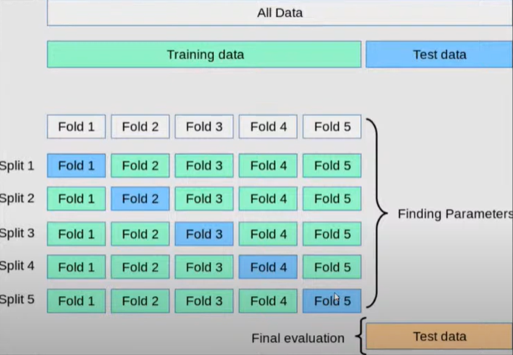

 | Grid Search CV |  |  |  | Randomize Search CV

 | Small number of hyperparameters |  |  |  | High number of hyperparameters
 | Slower |  |  |  | Faster
 | We define the combinations and do training of the model |  |  |  | The model selects the combinations randomly
 | Grid Search is always recommended

 | Good when data size is small |  |  |  | Good when more data like 10M records

 |  |  |  |  | It won't run for all the combination .
 |  |  |  |  | Randomly pick the values from our defined values .

 |  |  |  |  | 10 , 100 times iteration , that many no. of combination it will take .

 | Hyperparameters

 |  | Decision Tree takes a lot of parameters which are also known as hyperparameters

 | GridSearchCV

 |  | This is a method used to tune our hyperparameters

 |  | We can pass different values of hyper parameters as parameters for grid search
 |  | Generates different combination of parameters passed
 |  | Cross validation score , Grid Search returns the combination of hyperparameters for which the model is performing the best .

 | Cross Validation

 |  | cv = 5 , means divide the data into 5 chucks randomly .

 |  | Tune the data - Standard Scaler , etc

 |  | Tune the parameter
 |  |  | GridSearchCV will be good
 |  |  | Manually all combination are not possible

 |  | Giving all hyperparameters in the GridSearchCV doesn't generate the best result .
 |  | Hit & Trial with parameters to get the perfect score .

Pruning
 | Control/Train the tree
 | Say our Decision Tree model is a overfitted model .

 | Then control it by :

 |  | depth of the tree
 |  | leaf level
 |  | randomness

 | Post Pruning

 |  | Backward pruning .
 |  | Decision Tree is generated first & then non-significant branches are removed .
 |  | Cross Validaiton tests whether expanding a node will make an improvement or not .
 |  | If Improvement - expand the node , Reduction in accuracy - Don't expand node & convert to leaf level .

 | Pre Pruning

 |  | Forward pruning
 |  | Stops the non-significant branches from generating .
 |  | Uses a condition to decide when should it terminate splitting of some of the branches prematurely as the tree is generated .

AdaBoost
Boosting

 | Boosting is an ensemble approach ( meaning it involves several trees ) that starts from a weaker decision and keeps on building the models such that the final prediction is the weighted sum of all the weaker decision-makers .
 | The parameters are calculated in stagewise way which means that while calculating the subsequent weight , the learning from the previous tree is considered as well .
 | In boosting , the base model we use as Decision Tree .

Comparision |  | Random Forest |  |  | Vs |  | Ada Boost

 |  | Bagging Technique |  |  |  |  | Boosting Technique

 | 1 | Parallel learning process |  |  |  |  | Sequencial learning process
 |  | every models are independent of each other |  |  |  |  | MO1 , MO2 ,MO3 |  | MO2 is dependent with the output of MO1

 | 2 | Have equal say or equal vote for the final model |  |  |  |  | All the models don't have equal say / weightage

root note

 | 3 | Trees are fully grown |  |  |  |  | Stumps .
leaf node
lead node

 | 4 | All the weak learners have equal say . |  |  |  |  | Some of the weak learners have higher weightage .

Observation
 | In every machine learning model, the training objective is a sum of a loss function 𝐿 and regularisation Ω :

 |  | 𝑜𝑏𝑗=𝐿+Ω

 |  |  | 𝐿 : | How best your model based on loss function
 |  |  | Ω : | Control / Regularize data .

 | There are several algorithms which uses boosting .

1 ) Ada Boost

 | Age | BMI | Gender | Iw ( Initial Weight ) |  | Steps
 | 25 | 24 | F | 1/5 |  |  | Assign equal weight to each record
 | 41 | 31 | F | 1/5
 | 56 | 28 | M | 1/5 |  |  | Age & BMI are the columns to create root node by Gini Index or Information Gain . So stumps will be created .
root note
 | 78 | 26 | F | 1/5
 | 62 | 30 | M | 1/5

leaf node
lead node

 |  |  |  |  |  |  |  |  |  | Next Learner / Next ML Model / Next weak leaner .
 |  |  |  |  |  | 1 | When the testing happens on this training data , some of the records will provide wrong classification .

 |  |  |  |  |  | 2 | In the next iteration or next model , the initial weights are changed .
 |  |  |  |  |  |  |  | Initially we started with equal weights . In next iteration or next model , the mis-classified record's weight will go up .
 |  |  |  |  |  |  |  | The other correctly classified record's weight will come down

 |  |  |  |  |  | 3 | So in the next iteration or next model :
 |  |  |  |  |  |  |  | More importance is given to the previously mis-classified record and will be tried to classify correctly with more weightage .
 |  |  |  |  |  |  |  | So the next learner will focus more on mis-classified record .

 |  |  |  |  |  | 4 | Consider about 1 Million record , some of the records will be mis-classified with above weak learners .
 |  |  |  |  |  |  |  | Hence those records will be given higher weightage in the next learner .

 |  |  |  |  |  | 5 | In ML2 Model , again some records will be mis-classified , again those records will be given more weightage .
 |  |  |  |  |  |  |  | Other observation weight will be coming down to make it to normalize to 1 .

 |  |  |  |  |  | 6 | ML2 , ML3 , ML3…...........will be getting created .
 |  |  |  |  |  |  |  | And next model will try to classfy previously mis-classified records correctly .
 |  |  |  |  |  |  |  | In this way next model will try to take the input from previous model and try to classify .
 |  |  |  |  |  |  |  | So this is adapitive model which adapts to the previous model , Hence Ada Boost

 |  |  |  |  |  | 7 | At the end the final model is the model which is the combination of all the previous learnings . So this technique is called Boosting technique .

 |  |  |  |  |  | 8 | The initiatialization of weights and the adjustment of weights based on misclassification .
 |  |  |  |  |  |  |  | there is a formula to derive weights , which we shall not discuss here .

Increased Sample weights
 |  | Contribution= ½(𝑙𝑜𝑔(1−𝑡𝑜𝑡𝑎𝑙𝑒𝑟𝑟𝑜𝑟)/𝑡𝑜𝑡𝑎𝑙𝑒𝑟𝑟𝑜𝑟)

 |  | Increase the sample weight for incorrectly classified datapoints New weight= old weighte^ contribution= 1/8 e^0.97=0.33
 |  | Decrease the sample weight for incorrectly classified datapoints New weight= old weighte^- contribution= 1/8 e^-0.97=0.05

 | Pros
 |  | Easy to Implement
 |  | It iteratively corrects the mistakes of the weak classifier and improves accuracy by combining weak learners .
 |  | We use many base classifiers with AdaBoost
 |  | AdaBoost is not prone to overfitting .
 | Cons
 |  | AdaBoost is sensitive to noise and outliers .

Reference
 | Ada Boost |  | https://www.youtube.com/watch?v=HRBMlBiOo7Q&list=PLmPJQXJiMoUWfMvIqAn0VI_LHlw4AmVrb&index=5
 |  |  | https://www.youtube.com/watch?v=xTZuwunHYZA

 | Unfold Data Science |  | https://drive.google.com/drive/folders/1XdPbyAc9iWml0fPPNX91Yq3BRwkZAG2M

 | Ada-Boost Implementation.ipynb

GradientBoost
GradientBoost
 |  |  |  |  | ** GradientBoosting technique is not explained properly in internet .

 |  |  | AdaBoost |  | Vs |  | GradientBoost

 |  | 1 | Weight of records gets updated . |  |  |  | Learning happens by optimizing the loss .

 |  | 2 | STUMPS |  |  |  | Leaf Nodes
 |  |  |  |  |  |  |  | 8 - 32

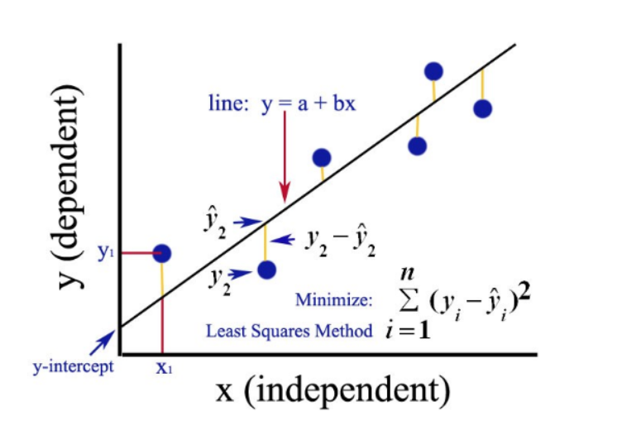
Explaination
 |  |  |  |  |  |  |  |  | n

 |  |  |  |  |  |  |  |  |  |  | 0

 |  |  |  |  |  |  |  |  | We shall try to bring the error to 0 .
 |  |  |  |  |  |  |  |  | This is called optimization of loss .

 |  |  |  |  |  |  |  |  | This concept is being used in GradientBoost as well .

 |  |  |  |  |  |  |  |  |  |  |  | Loss function
 |  |  |  |  |  |  |  |  |  |  |  | Additive model

Mathematically
 |  | 𝐹1(𝑥)=𝐹0(𝑥)+𝜈∑𝛾
 |  |  | where 𝜈 is the learning rate and 𝛾 is the residual

 |  |  | Repeat these steps until the residual stops decreasing

Steps considering a Regression Data
 |  |  |  |  |  |  |  |  |  | Step-2
 |  |  |  |  |  |  |  |  |  | Age , BMI - Independent Columns
 |  |  |  |  |  |  |  |  |  | Residual - Target Column
 |  |  |  |  |  |  |  |  |  | Residual Model will be formed [ RM-1 ]
 |  |  |  |  | Step-1 |  |  |  |  | Res Pred will be getting formed
 |  |  |  |  | Base Model - No Model
 |  |  |  |  | Average of all values = 174 + 176 + 169 /3 = 171
 |  | Age | BMI | Height | Pred Val | Residual | Res Pred | New Pred Val | New Res | Res Pred
 |  | 21 | 24 | 174 | 171 | 3 | 3.5 | 171.35 | 2.65
 |  | 22 | 25 | 176 | 171 | 5 | 4.2
 |  | 23 | 30 | 169 | 171 | -2 | -1

 |  |  |  |  |  |  |  | Step - 3 |  |  |  | Next Process Repeat
 |  |  |  |  |  |  |  | 171 + 0.1 * 3.5 = 171.35
 |  |  |  |  |  |  |  | Pred Val + Learning Rate * Residual |  |  |  | RM-2 will come

 |  |  | Final Prediction = |  | Base Value + ( LR * 1st Res Pred by RM1 ) + ( LR * 2nd Res Pred by RM2 )
 |  |  |  | = | 171 + 0.1 * 3.5 + 0.1 * 3.2 + …..............

 |  |  |  |  |  | This will grow how many models we want to form . If we take 100 trees , 100 time [ 0.1 * 3.5 ]

 | In Conclusion ,

 |  | New Result = First Prediction + Learning Rate * 1st residual + Learning Rate * 2nd residual + …............
 |  | Repeat these steps untill the residual stops learning or no significant improvement in residuals ( till it reaches towards minima )
 |  | Residual errors will get decrease sequencially .

 | Pros
 |  | It iteratively corrects the mistakes of the weak classifier and improves accuracy by combining weak learners.
 |  | Gives better accuracy in most of the cases
 | Cons
 |  | Space and time complexity
 |  | Hyperparameter tuning

Reference
 | https://www.youtube.com/watch?v=j034-r3O2Cg&list=PLmPJQXJiMoUWfMvIqAn0VI_LHlw4AmVrb&index=6
 | https://www.youtube.com/watch?v=OUk7Xvs8iS8&list=PLmPJQXJiMoUWfMvIqAn0VI_LHlw4AmVrb&index=7
 | Gradient-Boost Implementation.ipynb

XGBoost
XGBoost
 | Successor of Gradient Boosting
 | Regularizes data better than normal gradient boost .
 | It was developed by Tianqi Chen [ That time Kaggle winner ] in C++ but now has interfaces for Python, R, Julia.

 | 1 | XGBoost is a framework supports in various languages .
 | 2 | Portable on different platform .
 | 3 | Speed of processing .
 | 4 | Output performance .
 | 5 | Extreme GradientBoost .

 | Poplularity
 |  |  | Speed |  |  |  | Peformance

 |  | 1 | Parallization |  |  | 1 | Regularization to remove overfitting .
 |  | 2 | Cache optimization . |  |  | 2 | Auto pruning
 |  | 3 | Out of memory computation . |  |  | 3 | Missing value treatment .

 | Mathematically ,

 |  |  | Loss Function |  | Regularization

 | Loss function depends on the task being performed (classification, regression, etc.) and a regularization term is described by the following equation:

 |  |  |  |  | controlling the overall number of created leaves

 |  |  |  |  |  | watches over the scores

 | Unlike the other tree-building algorithms, XGBoost doesn’t use entropy or Gini indices. Instead, it utilises gradient (the error term) and hessian for creating the trees
 | Prunnings are taken care automatically .

Probable Interview Questions

 | What is objective function .
 | What is the difference tree created in decision tree and XGBoost
 | How it controls the no. of leaves
 | Why pruning not required in XGBoost
 | What is Hessian derivative and how it is calculated .
 | How parent node is decided .
 | How is it going to do a pruning .

Advantage
 | great computation speed as it utilises parallel computing and cache optimization,
 | uses hardware optimization,
 | works well even if the features are correlated
 | robust even if there is noise for classification problem
 | the facility of early stopping
 | the package is evolving, i.e., new features are being added.

Preferrable
 | Prefer XGBoost among all for saferside .

 |  | Handles many things automatically
 |  | Hardware optimization and parallel computation . So less time to train dataset .
 |  | Doesn’t use entropy or Gini indices . Use Hessian method to decide which one is parent node .
 |  | Use similarity weight to perform different operation .
 |  | Pruning is done automatically
 |  | Lesser time - Robust algorithm .

Maths behind XGBoost
 |  | If a Bank is approve your loan or not ?
 |  |  |  | Base Model |  | DT1 | DT2
 |  |  | Probability | 0.5 |  |  |  | Next Res

 |  | Salary | Credit | Approval | Res | Pr [ New ] | Res
 |  | <= 50K | B | 0 | -0.5 | 0.6 | -0.4
 |  | <= 50K | G | 1 | -0.5 | 0.4 | 0.6
 |  | <= 50K | G | 1 | -0.5 | 0.3 | 0.7
 |  | > 50K | B | 0 | 0.5 | 0.7 | -0.7
 |  | > 50K | G | 1 | -0.5 | 0.2 | -0.3
 |  | > 50K | N | 1 | -0.5 | 0.1 | 0.8
 |  | <= 50K | N | 0 | -0.5

 | 1 | Probability initially = 0.5 [ Pr = 0.5 ]

 |  |  | Res = Approval - Probability

 | 2 | Construct Tree

 |  |  |  | [-0.5,0.5,0.5,-0.5,0.5,0.5,-0.5]
Salary
Credit Tree
Salary Tree
Salary

 |  |  |  | <= 50K | >50K
 |  |  |  |  |  |  |  |  |  |  |  |  | <= 50K | >50K
leaf node
leaf node
leaf node
leaf node
 |  | [-0.5,0.5,0.5,-0.5] |  |  |  | [-0.5,0.5,0.5]

Credit
Credit
 |  | - In XGBoost , always use binary tree even if many categories are there .
 |  |  |  |  |  |  |  |  |  | B |  |  |  |  | C
 |  | - Similarity Weight |  |  |  |  |  |  |  |  | B | G,N |  |  |  | B,G | N
 |  |  |  |  |  |  |  |  |  | smt = 1 |  |  | smt = 0.33 |  | smt = 0.33 |  |  | smt = 1
leaf node
leaf node
leaf node
leaf node
 |  |  | smt of 1st split :
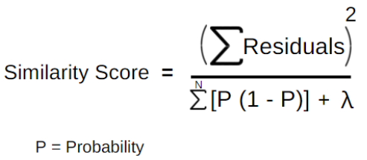
 |  |  |  |  |  |  |  |  |  | [ 0.5 ] |  | [ 0.5 , 0.5 , -0.5 ] |  |  | [ -0.5 , 0.5 , 0.5 ]

 |  |  |  |  |  |  |  |  |  | - Similarity Weight ( B ) : |  |  |  | - Similarity Weight ( G,N ) :

 |  |  |  |  |  |  |  |  |  |  | = [-0.5]2 / [ 0.5(1-0.5) ] |  |  |  | = 0.25 / 0.25 + 0.25 + 0.25
 |  |  |  |  |  |  |  |  |  |  | = 0.25 / 0.25 |  |  |  | = 1/3
 |  |  |  | = [ -0.5 + 0.5 + 0.5 - 0.5 ]2 / [0.5 ( 1-0.5 ) + 0.5 ( 1-0.5 ) + 0.5 ( 1-0.5 ) + 0.5 ( 1-0.5 ) ] |  |  |  |  |  |  | = 1 |  |  |  | = 0.33

 |  |  |  | = 0/1 = 0 |  |  |  |  |  | - Gain

 |  |  | smt of 2nd split : |  |  |  |  |  |  |  | = left smt + right smt - root smt
 |  |  |  |  |  |  |  |  |  |  | = 1 + 0.33 - 0
 |  |  |  | = [ -0.5 + 0.5 + 0.5 ]2 / [0.5 ( 1-0.5 ) + 0.5 ( 1-0.5 ) + 0.5 ( 1-0.5 ) + 0.5 ( 1-0.5 ) ] |  |  |  |  |  |  | = 1.33
 |  |  |  | = 0.25 / 0.75
 |  |  |  | = 1/3 |  |  |  |  |  | - Similarity Weight ( B,G ) : |  |  |  |  | - Similarity Weight ( N ) :
 |  |  |  | = .33
 |  |  |  |  |  |  |  |  |  |  | = 0.33 |  |  |  |  | = 1
 |  |  | smt of top root :
 |  |  |  | = .25 / 7 time of .25 |  |  |  |  |  | - Gain
 |  |  |  | = .25 / 1.75 |  |  |  |  |  |  | = 1.33
 |  |  |  | = 1/7
 |  |  |  | = 0.14 |  |  |  |  |  | So with the same information gain for B and C , say we go for B tree .
 |  | - Gain |  |  |  |  |  |  |  | Whether we should split further B or not can be done by Post Pruning with the help of Cover Value
 |  |  | = left + right - top
 |  |  | = 0 + 0.33 - 0.14 |  |  |  |  |  |  |  | Cover Val = | Pr ( 1 - Pr )
 |  |  | = 0.21 |  |  |  |  |  |  |  |  | = 05 ( 1 - 0.5 )
 |  |  |  |  |  |  |  |  |  |  |  | = 0.25
 |  |  | Why are we calculating gain ?
 |  |  |  |  |  |  |  |  |  | If my Information Gain < Cover Val , just do the post pruning or cut the tree .
 |  |  |  | - We can construct next tree based on credit feature also .
 |  |  |  | - 3 categories .

 |  | DT1 is constructured based on Res value . Like wise I can construct many DT once I calculate the Res Val .

 | When the new data comes , we need to find out Base Model output w.r.t. the Probability . To find this we can use formula ,

 |  |  |  |  |  | = log ( 0.5 / 1 - 0.5 )
 |  |  |  |  |  | = 0

 |  |  |  |  |  | So the Base model gave the output as 0

 | - So , record residual for first record .

 |  | Salary | Credit | Approval |  |  | Base Model |  | Learning Rate
 |  | <= 50K | B | 0
 | - Follow DT1 tree path .

 |  |  | ( 0 + lr * smt )
 |  | = ( 0 + 0.1 * 1 )
 |  | = ( 0.1 )
 |  | =
 |  | = 0.6

 | - So , 0.6 is the new probability for the 1st record .
 | - Now get the probability for all the records with different similarity weight based on tree direction w.r.t each record
 | - Find the Res ( new )

 | - So with the new Res , construct DT again .

 | - Lastly ,
 |  | ( 0 + T1 + T2 + T3 + …..... + Tn )

 |  | In this way , Probability will give a good value where the Residual will be very very less .
 |  | That time we can consider that XGBoost has been trained in a proper way .

 | - Moreover ,
 |  | = 0 , when Similarity weight is calculated .
 |  | We can always select this as Hyperparameter .

Reference
 | XGBoost_example-1.ipynb
 | XGBoost Demonstration.ipynb

 | https://www.youtube.com/watch?v=FakVn1RgDms&list=PLmPJQXJiMoUWfMvIqAn0VI_LHlw4AmVrb&index=10
 | https://www.youtube.com/watch?v=C1ahSmQalZY&list=PLmPJQXJiMoUWfMvIqAn0VI_LHlw4AmVrb&index=12

 | https://www.youtube.com/watch?v=gPciUPwWJQQ&list=PLZoTAELRMXVPBTrWtJkn3wWQxZkmTXGwe&index=89
 | https://pianalytix.com/xgboost-machine-learning/

Stacking
Stacking

 | Stack or layers of models ( instead of bag of models )
 | Runs sequencially , one after the other .

 | Uses heterogeneous model
 |  | Bagging use same model throughout
 |  | Stacking use different models ( it's an advantage )

Bagging vs Boosting Vs Stacking
 |  |  |  | Bagging |  | Boosting
 |  |  |  | one similary model |  | varieties of models

 |  |  |  | Stacking |  |  |  |  | Bagging / Boosting

 |  |  |  | Individual learners are different types |  |  |  |  | Individual learners are similar types
 |  |  |  |  |  |  |  |  | Bagging - Decision Tree , Boosting - Decision Tree
 |  |  |  | Meta Model

data
Understanding the stacking

 |  |  |  |  |  | X , Y
 |  |  |  |  | 50% |  | 50%
training
holdout

 |  |  |  | X1 , Y1 |  |  |  | X2 , Y2
 |  |  | 80% |  | 20%
training
test

 |  | x_train |  |  | x_test
 |  | y_train |  |  | y_test
Base Model

 |  | knn.fit(x_train,y_train) |  |  |  |  | knn.score(x_test,y_test)
 |  | svm.fit(x_train,y_train) |  |  |  |  | svm.score(x_test,y_test)

Prediction of Base Model

 |  | predict_val1=knn.predict(X2) |  |  |  |  | predict_test1 = knn.predict(x_test)
 |  | predict_val2=svm.predict(X2) |  |  |  |  | predict_test2 = svm.predict(x_test)
Stack prediction

 |  | predict_val = np.column_stack((predict_val1,predict_val2)) |  |  |  |  | predict_test = np.column_stack((predict_test1,predict_test2))
Meta Model

 |  | rand_clf.fit(predict_val,Y2) |  |  |  |  | rand_clf.score(predict_test,y_test)

 | Here 2 models in Base Model , so 2 features in Meta Model . If 4 models in Base Model , then 4 features in Meta Model .

Reference
 | Video | https://www.youtube.com/watch?v=xtTyEoJ31Vg&list=PLmPJQXJiMoUWfMvIqAn0VI_LHlw4AmVrb&index=9
 | Code | Stacking_Code-example.ipynb

Ensemble-Bagging&RandomForest
Ensemble Technique

 | We apply Logistic Regression for classification problem , Decision Tree for classification problem .
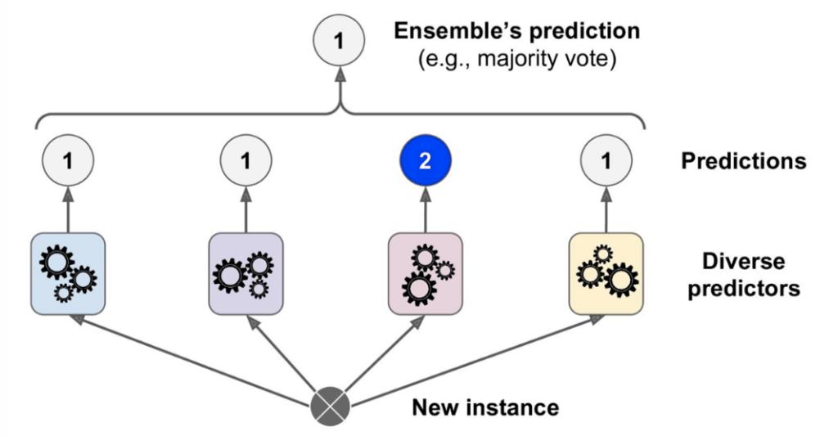
 | Sometime we create multiple models .

 | Data |  | Parliament |  | Bill

 |  |  | Different people
 |  |  | Different decision maker
 |  |  | voting
 |  |  | major - yes
 |  |  | - no

 |  |  | Single person won't decide majority wins .

 |  | This is Ensemble Techniques .

 | Multiple predictors instead of a single predictor - This algorithm is called as Ensemble Technique .
 |  | - Multiple decision maker
 |  | - Techniques
 |  |  | Bagging
 |  |  | Boosting
 |  |  | Stacking

Bagging ( Bootstrap Aggregation )

 | - Sampling different sets of data from a given training set by using replacement .
 | - Cross validation

 |  | cv = 5 | 20
 |  |  | 20 |  | No overlap / Unique dataset
 |  |  | 20 |  | No replacement
 |  |  | 20
 |  |  | 20

 |  | In bootstrap ,
m1
m2
m3
m4
m5

 |  |  |  | Overlap Data

 |  | In Bagging ,

 |  | - We can use same kind of model multiple time ( Ex : 5 DT only ) . Not mixture/variety of the model , it's only possible in Stacking .
 |  | - Single training algorithm is used on different subsets of the training data .
 |  | - Aggregate the predictions at the end .
 |  | - Regression - Mean
 |  | Classifier - Most frequent ( voting majority ) of all predictors )

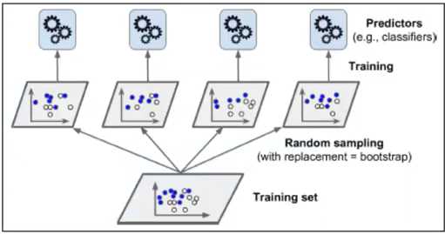

 | Advantage of Bagging :
 |  | - Significantly decreases the variance without increasing bias .
 |  | - Works so well because of diversity in training data .

 | Disadvantages :
 |  | - Single tree as base model - more attractive & easy interpretation . But with bagging interpretability lost .

Pasting :
 | - Similar to bagging , but no replacement done while sampling the training dataset .
 | - Bagging is preferrable than pasting .

Implementation

 | with one model , score is less
 | with more models , scroe increases .

 |  | So use multiple classifiers .
 | Refer : BaggingAndRandomForest.ipynb

Random Forest

 | - Uses Decision Tree by default .
 | - Bunch of Decision Tree

 | Advantage & Disadvantages :

 |  | - Can be used both for regression and classification .
 |  | - Base Model is a Tree , handling missing value is easy .
 |  | - accurate result with very low variance .
 |  | - High computational time than other respective models .

 | Cross Validation

 |  | 1 ) Hold-out-Method :

 |  |  | Dataset

 |  | Training |  | Test

 |  | train the model |  | test data is fitted in the trained model to make the predictions

 |  | 2 ) k-fold cross validation

 |  |  | k = 5 means , divide data into 5 sets - 1 set for test and 4 sets for training .
 |  |  | it will continue for 5 times

 |  |  | To takle the high variance of Hold-out method , the k-fold method is used .

 | Random Forest Implementation

 |  | BaggingAndRandomForest.ipynb

 |  | - RandomForest gives better score as it uses by default 100 model .
 |  | - Individual decision tree without or with parameters will give lesser scores .
 |  | - RandomForest hyperparameters are a combination of best hyperparameters of both decision tree and Bagging classifiers .

SVM
SVM
 | Server Vector Machine |  |  | This is applicable both for Classification and Regression type of dataset

 | SVC |  | SVR
 | [Server Vector Classifier ] |  |  | [Server Vector Regression]

 | When do we need to use this concept in Machine Learning Problem ?

 |  | When you don't have any knowledge about the data .
 |  | Your data is Non-Linear
 |  |  |  |  |  |  |  |  |  |  |  |  |  | x1 | x2 | y
 |  |  |  | Class-1
x1 | y

 |  |  |  |  |  | Class-2

 | What is Non-Linear Data ?

 |  | Linear Data |  |  |  |  |  | Non-Linear Data

 | Concepts |  |  |  | Marginal plane
 |  |  |  | Class-1 |  |  | Marginal plane
 |  |  |  |  |  |  |  |  |  | Margins

 |  |  |  |  |  |  | Class-2 |  |  |  | Hyperplane |  | This line exactly divides 2 marginal planes
 |  |  |  |  |  |  |  |  |  |  | Maginal plane |  | The line which runs via server vector points
 |  |  |  |  |  |  |  |  |  |  | Maginal distance |  | Distance between Hperplane and Marginal plane
 |  |  |  |  |  |  |  |  |  |  | Server Vectors |  | All nearest points to all the opponent classes . Responsible for separating data . These are data points .

 |  |  | Hyperplane

 |  |  |  |  | Class-1 |  |  |  | I can draw lines like this also , then why I am choosing the above one ?

 |  |  |  |  |  |  |  |  |  | You have to make sure that you Marginal Distance will be always maximum .
 |  |  |  |  |  |  |  | Class-2

 |  | Why this algorithm is called as Server Vectors ?

 |  |  | The hyperplane what ever you are creating , this creates a boundary line
 |  |  | It is drawn based on the nearest points present with respect to the opponent class

 | What if my data is Non-Linear

 |  |  | x2 |  |  | 2D |  |  |  |  |  |  |  |  |  |  |  | 3D | x3 = (x1)2 + (x2)2
 |  |  |  | Non-Linear Data |  |  |  | This solution can be achieved by Kernel trick |  |  |  |  |  |  | Linear Data

 |  |  |  |  |  |  |  |  | Transforom low dimension data to high dimension
 |  |  |  |  |  |  |  |  | And then draw the hyperplane

 |  |  |  |  |  |  |  |  |  |  |  |  |  |  |  |  |  |  | hyperplane

 |  |  |  |  |  |  |  | x1

 |  |  |  |  |  |  |  | Increase or elevate the dimension to make space
 |  |  |  |  |  |  |  | Place your plane separator

 |  | Example |  | x | y

 |  |  |  |  | z = 2x2 + 5y3

 |  | Why cann't we use Linear Regression

 |  |  |  | Uses probabilitic claculation

 | How does this transformation takes place ?
 |  |  |  |  |  |  | 1D
 |  |  |  |  |  |  |  |  |  |  |  |  |  |  |  | 1D | 2D
 |  |  |  |  |  |  |  |  |  |  |  |  |  |  |  | 2D | 3D
 |  |  |  |  |  |  |  |  | Mathematical formulae |  |  |  |  |  |  | 3D | 4D
 |  |  |  |  |  |  |  |  |  |  |  | y = f(x) = x2

 |  |  |  |  |  |  | X

 |  |  |  |  | y

 |  |  |  |  |  |  |  | 2D

 |  | -3 | -2 | -1 | 0 | 1 2 | 3

 | What are the types of Kernel

 |  | Linear Kernel
 |  | Polynomial Kernel
 |  | RBF Kernel
 |  | Sigmoid Kernel

 | Polynomial Kernel

 |  |  | f(x1,x2) | = ( x1T . x2 + 1 )d
 |  |  |  |  |  | d = dimension

 |  | => y = f(x1,x2) |  | = | = ( x1T . x2 + 1 )d

 |  |  |  | = | x1 | x1 | x2
 |  |  |  |  | x2

 |  |  |  | = | x1**2 | x1x2
 |  |  |  |  | x1x2 | x2**2

 |  | Let's say your original data is like this

 |  |  | x1 | x2 | y |  |  |  | x1 | x2 | y | x1**2 | x2**2 | x1x2

 |  |  |  | 2 features and 1 output |  |  |  |  |  |  | 5 features and 1 output

 |  |  |  |  |  |  |  |  |  | y

 |  |  |  |  |  |  |  |  |  |  | Linear Data |  | z = x1*x2

 |  |  |  |  |  |  |  |  |  |  |  |  |  |  | hyperplane

 |  |  |  |  |  |  |  |  |  |  |  |  |  | x

 |  | Say
 |  |  | x1 | x2 | y |  |  |  | x1 | x2 | y | x1**2 | x2**2 | x1x2

 |  |  |  | 2 features and 1 output |  |  |  |  |  |  | 3 features and 1 output

 | Advantages

 |  | SVM is good when we don't have any knowledge about the data
 |  | Overfitting is less |  |  | ( Training is good and test data gives good result )
 |  | Kernel trick is the strength of SVM

 | Disadvantages

 |  | Training time for larger dataset is high .
 |  | It's very difficult to choose a good kernel function .

 | Soft Margin , Hard Margin , C value , Gamma

 |  | C - Regularization value |  |  |  |  |  |  |  |  |  | y = mx + c
 |  | Penalizing the equation

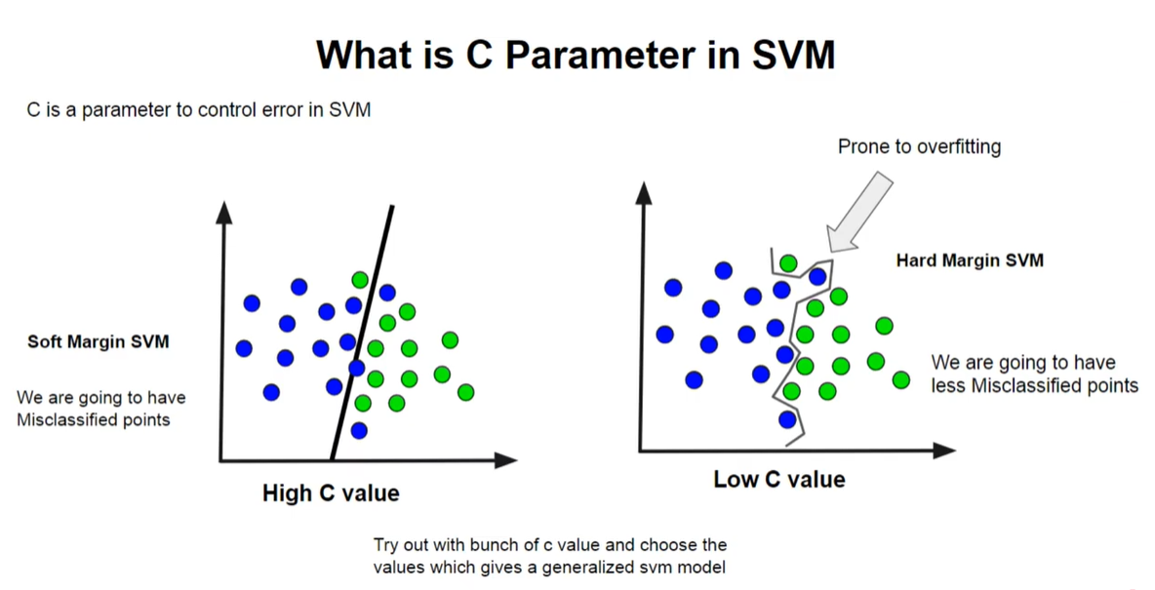

 |  | Gamma - only for RBF kernel
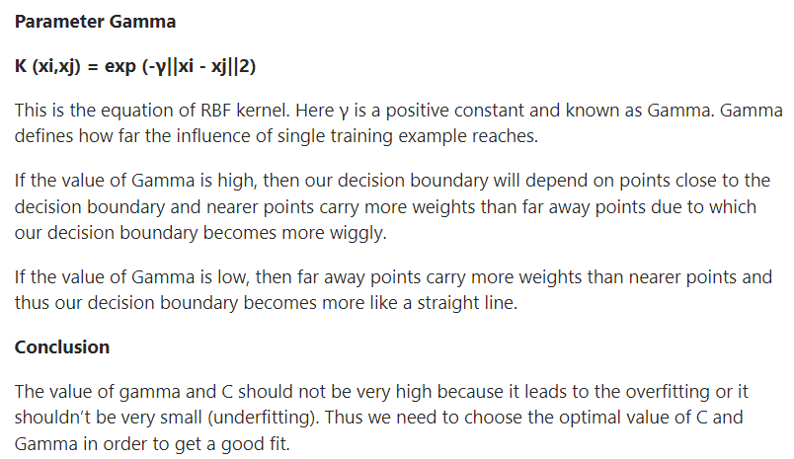
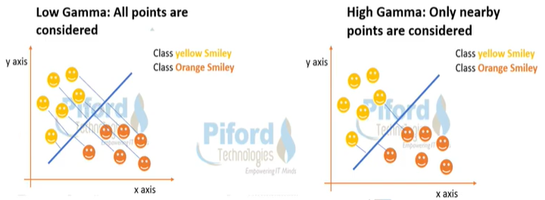

Reference
 | https://stackabuse.com/implementing-svm-and-kernel-svm-with-pythons-scikit-learn/
 | https://www.analyticsvidhya.com/blog/2017/09/understaing-support-vector-machine-example-code/
Soft/Hard Margin |  | https://www.youtube.com/watch?v=KHC2qGUthGM
C Value |  | https://www.youtube.com/watch?v=uWbgLWnNTrw

Linear Regression
Linear Regresssion

 |  | x1 | x2 | x3 | …... | y
 |  |  | Independent variable |  |  | Dependent variable |  |  |  |  |  |  |  |  | x1

 |  | The data will be in linear mode .
 | Linear | You can form an linear equation y = m1x1 + m2x2 + m3x3 + c
 | Regression | What is Regression ?
 |  |  | It contains continuous data
 |  |  | Make a relationship between independent variable and dependent variable
 |  |  | English meaning is "Finding out relation between datda sets"

 |  |  |  |  | discrete |  | Which you can count fully or a whole value . Data range is 0 to ininity .
 |  |  |  |  | continuous |  | This may contain non-whole value . And this can be present under certain thresold range .

 |  |  |  |  | discrete |  | How many members are there in your family |  |  |  |  |  | 8 | 8.5
 |  |  |  |  |  |  | How many bank accounts you have . |  |  |  |  |  | 4 | 4.15

 |  |  |  |  | continuous |  | Tell me the heights of person in your project |  |  |  |  |  | 5.1 , 5.4 , 6.1….....20 people are there |  |  |  |  | [ 4.8 , 6.2 ]

 | Example |  |  |  |  |  |  |  |  | y
 |  |  |  | Height | Weight |  |  |  |  |  |  |  |  | m = thetta value

 |  |  |  | 5.4' | 55 |  |  | y = x + 2 |  |  |  |  |  |  |  | y = mx + c |  | equation of the straight line
 |  |  |  | 5.6' | 60
 |  |  |  | 5.7' | 60 |  |  |  |  |  |  |  |  |  |  | m - co-efficient |  | slope
 |  |  |  | 5.8' | 63 |  |  |  |  |  |  |  |  |  |  | c - intercept |  | What is the value of y when x = 0
 |  |  |  | 5.9' | 65
 |  |  |  | 5.10' | 70 | xx |  |  |  |  |  |  |  |  |  | tan(thetta) = dy/dx
 |  |  |  | 6.1' | 78 | yy |  |  | c |  |  |  |  |  |  | y = 1.2 * x
 |  |  |  | 6.2' | ???
 |  |  |  |  |  |  |  |  |  |  |  |  |  | x

 |  |  |  | yellow - train data |  | we make the model / make the equation |  |  |  |  |  | Best fit line or Generalized line

 |  |  |  | blue - test data |  | Here 70,80 are the actual value |  |  |  |  |  | What is a model contain - Model contains weight(data) equation values in the form of binary format .
 |  |  |  |  |  | But when you are putting this to the model , xx,yy value
 |  |  |  |  |  |  |  | predicted values
 |  |  |  | Error / Loss |  | = actual value - predicted value |  |  |  | only one observation
 |  |  |  | Cost Function |  | = all Error |  |  |  | Combined observation of all test dataset

 | What should be our target ?

 |  |  | Minimize the error or loss |  |  |  |  |  |  |  | X | y
 |  |  | Adjust the parameter - m & c |  |  |  |  |  |  |  | 3 | 7 |  | y = mx + c |  | y = 2x
 |  |  | Make a best fit line |  |  |  |  |  |  |  | 5 | 11 |  | y = 2*x + 1
 |  |  |  |  |  |  |  |  |  |  | 6 | 13
 |  |  |  |  |  |  |  |  |  |  | 12 | 25
 |  |  |  |  |  |  |  |  |  |  | 22 | 45

 | Gradient Descent |  |  |  |  |  |  |  | Gradient Descent is an optimization algorithm for finding a local minimum of a differentiable function. Gradient descent is simply used in machine learning to find the values of a function's parameters (coefficients) that minimize a cost function as far as possible.

 |  | ( e , m , c ) |  |  |  |  |  |  | We have to make the error leading towards local minima point , so that

 |  |  |  |  |  |  |  |  |  | de/dm = 0 |  | de -> Rate of change of error
 |  |  |  |  |  |  |  |  |  | de/dc = 0

 |  |  |  |  |  |  |  |  |  |  |  | This is called learning - Adjusting m and c value w.r.t. error .

 |  |  |  |  |  |  |  |  | So how to find best fit line out of 100 lines you can draw
 |  |  |  |  |  | minima value |  |  |  | by learning parameter - m and c

 |  |  |  |  |  |  |  |  |  |  | if error :
 |  |  |  | How to get best fitline |  |  |  |  |  |  |  | change the value of m & c
 |  |  |  |  | Statistical approach |  |  |  |  |  | again error ?
 |  |  |  |  | Gradient approach |  |  |  |  |  |  | change the value of m & c
 |  |  |  |  |  |  |  |  |  |  | again error ?
 |  |  |  | when slope = 0 |  |  |  |  |  |  |  | change the value of m & c
 |  |  |  |  | Stop learning |  |  |  |  |  | continue till you get best value to get best fit line
 |  |  |  |  | Best fit line is formed
 |  |  |  |  | m is slope of best fit line

 |  |  | Link : https://images.app.goo.gl/3bj47HJW5qYzpS579

 | Mathematical Intutition
 |  |  |  |  |  |  | Let's say L1 is our best fit line
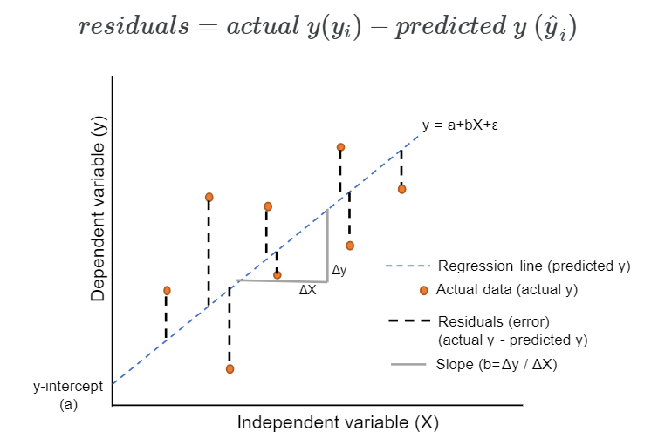
 |  |  |  |  |  | L3
 |  |  | y
 |  |  |  |  |  |  | L1
 |  |  |  |  |  |  |  | L2
 |  | Residual

 |  |  |  |  |  |  | data points

 |  |  |  |  |  |  | x

 |  |  | y |  |  |  | relation
 |  |  |  |  |  | y=mx+c | L1
 |  |  |  |  |  |  |  | residual
 | predicted value

 | expected/actual value |  | y

 |  |  |  |  |  |  | data points |  |  | = mx + c

 |  |  |  |  |  |  | x
 |  |  |  | residual = y -
 |  |  |  | = > r = y - ( mx + c )
 |  |  |  |  |  |  |  | Say , instead of c we use b . |  |  |  |  |  |  |  |  |  |  |  |  |  | (a+b)2 = a2 + b2 + 2ab
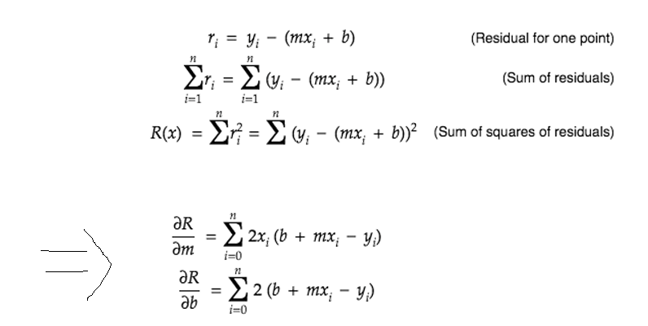
 |  |  |  |  |  |  |  |  |  |  |  |  |  |  |  |  |  | How did you equate to this equation ? |  |  |  | (a-b)2 = a2 + b2 - 2ab

 |  |  |  |  |  |  |  |  |  |  |  |  |  |  |  |  |  |  |  | R = r2 = | y2 + (mx+b)2 - 2.y.(mx+b)
 |  |  |  |  |  |  |  |  |  |  |  |  |  |  |  |  |  |  |  | = | y2 + m2x2 + b2 + 2mxb - 2ymx - 2yb

 |  |  |  |  |  |  |  |  |  |  |  |  |  |  |  |  |  |  |  | dR/dm = | 0 + 2mx2 + 0 + 2xb - 2yx - 0
 |  |  |  |  |  |  |  |  |  |  |  |  |  |  |  |  |  |  |  | = | 2x ( mx + b - y )
 |  |  |  |  |  |  |  |  |  |  |  |  |  |  |  |  |  |  |  | dR/db = | 2(mx+b-y)

 |  |  |  |  |  |  |  |  |  |  |  |  |  |  |  | 2m + c - 6 = 0 |  | m , c
 |  |  |  |  |  |  |  |  |  |  |  |  |  |  |  | 4m - 5c + 10 = 0
 |  |  |  |  |  |  |  |  |  |  |  |  |  | y = x3
 | Apply differentiation |  |  |  |  |  |  |  |  |  |  |  |  | dy/dx = 3.x**2 |  |  |  | y = m.x1 + c
 | here |  |  |  |  |  |  |  |  |  |  |  |  |  |  |  |  |  |  | x | y
 |  |  |  |  |  |  |  |  |  |  |  |  |  |  |  |  |  |  |  | 6.2' | 76

 | For getting best fitline , residual should be minimum . The minima of a function occurs when the derivative ( dy/dx=0 ) is 0 . So equate corressponding derivative to 0 .

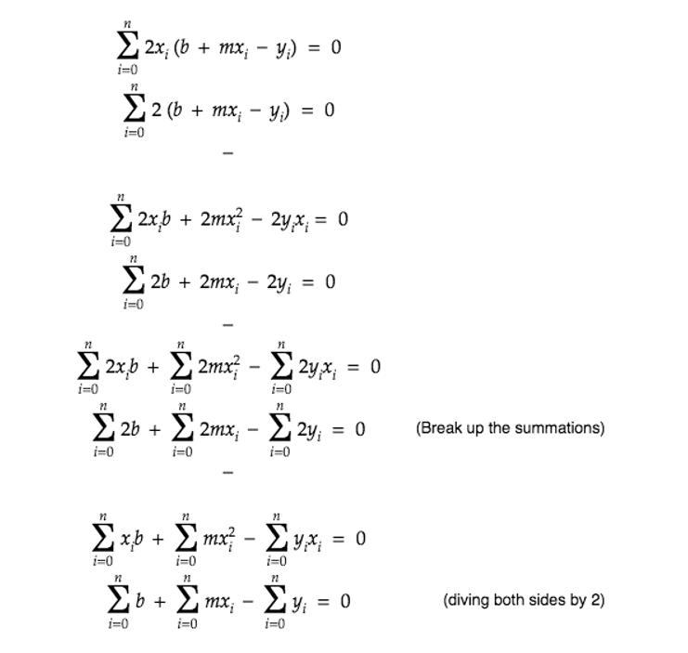

 | Learning Equation
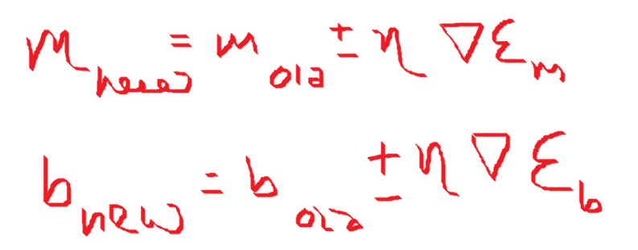

 |  |  |  |  |  |  |  |  |  | n -> learning rate |  | -0.000001 | hyperparameter value
 |  |  |  |  |  |  |  |  |  | DE -> error |  |  |  |  |  |  |  | ( e , m , c )

 |  |  |  | Learning in ML is finding new co-ordinates .
 |  |  |  | loss is error term |  |  |  |  |  | Learning rate should be between : 0.00001 to 10
 |  |  |  |  |  |  |  |  |  | You cann't initiate this value to : 10 . Else m value will be very high .
 |  |  |  |  |  |  |  |  |  | You can change the value of m slowly by adjusting learning rate 'n' .
 |  |  |  |  |  |  |  |  |  | Smaller learning rate is recommended to avoid overshooting while creating a model .

 |  |  |  |  |  |  |  |  |  |  |  |  |  |  |  |  |  |  |  | Overshooting

 |  |  |  | Sometime , we need to initiate with m & c value , then go ahead with learning rate .

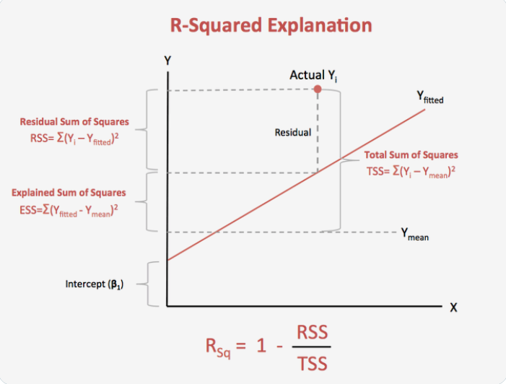
 | R2 Statistics
 |  |  | It represents how much of our data is being explained by our model .
 |  |  | R2 statistics = 0.75 means our model fits 75% of the total dataset .
 |  |  | This is the technique used to measure your Linear Regression Model .
 |  |  | To check goodness of the best fitline .

 |  |  | R2 ( residual square ) |  | = | 1 - (RSS / TSS )

 |  |  |  | R2 value | = | 0.90 | Your model is 90% accurate
 |  |  |  |  |  | 0.00 | You model is worst , No data is explained .
 |  |  |  |  |  | 1.00 | Your model is 100% accurate , 100%
 |  |  |  |  |  |  | data explanation
 |  |  | 0 |  |  | 1
 |  |  | worst |  |  | best

 |  |  | R2 ( residual square ) |  | = | 1 - (RSS / TSS )

 |  |  | RSS | = | ( y - ) 2 |  | y
 |  |  |  |  |  |  |  |  | Residual
 |  |  | Residual Sum of Square

 |  |  |  | y = actual value
 |  |  |  | y_hat = predicted

 |  |  | TSS | = | ( y - ) 2

 |  |  | Total Sum of Square |  |  |  |  |  | y
 |  |  |  | y = actual value
 |  |  |  | y_mean = mean/avg of all data points

 |  |  | Can R2 value be -ve ?
 |  |  |  | Yes possible , but with this your model will be wrong .
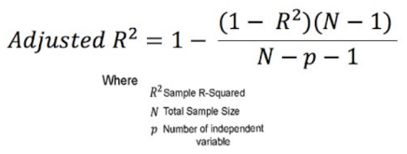
 | Adjusted R2

 |  |  |  |  |  | y = mx + c |  |  | Simple Linear Regression |  |  |  |  | x1 | x2 | x3 | y
 |  |  |  |  |  | y = m1x1 + m2x2 + c |  |  | Multiple Linear Regression

 |  |  |  | Say you are adding few more new features to your equation .
 |  |  |  |  |  | y = m1x1 + m2x2 + m3x3 + c
 |  |  |  | This leads to increase in R2 value , even though this feature might not be related to the output value .

 |  |  |  | R2 increases , but Adjusted R2 decreases ( due to low Denominator value )

 |  |  | When independent variable is Co-related to the output :
 |  |  |  |  | R2 : Increases
 |  |  |  |  | Adjusted R2 : Increases .
 |  |  | When independent variable is NOT Co-related to the output :
 |  |  |  |  | R2 : Slightly decreases compared to original R2 value .
 |  |  |  |  | Adjusted R2 : Decreases .

 |  | R2 vs Adjusted R2

 | 1 ) | R2 | Everytime you add an independent variable to a model , the R2 increses , even if independent variable is insignificant . It never declines .
 |  | Ajusted R2 | Increases only when independent variable is significant and affects dependent variable .

 | 2 ) | Ajusted R2 =< R2

 | 3 ) | R2 | Doesn't depend on no. of features .
 |  | Ajusted R2 | Penalizes features .

 | ** Model Measurement Technique .

 |  | Regression Problem |  | R2
 |  |  |  | Adjusted R2

 |  | Classification Problem |  |  | Confusion Matrix.

 | Overfitting , Under fitting & Data Leakage

 |  | Over fitting
 |  |  |  | Training dataset |  | Less error |  | Low bias
 |  |  |  | Testing dataset |  | High error |  | High variance

 |  | Under fitting
 |  |  |  | Training dataset |  | High error |  | High bias
 |  |  |  | Testing dataset |  | High error |  | High variance

 |  | Data Leakage
 |  |  | In actual scenario model should know only the train data and shoudnlt know about test data
 |  |  | But in Data Leakage , model knows about train data and also about test data .

 |  | Example |  | Pradyumna is writing M.Tech Exam
 |  |  | Train ( Reading ) |  |  | Test ( exam )

 |  |  | Prepared well |  |  | Good Score |  |  |  |  |  | Good model

 |  |  | Prepared well |  |  | Not good score |  |  |  |  |  | Overfitting

 |  |  | Not prepared well |  |  | Not good score |  |  |  |  |  | Underfitting

 |  |  | Prepared well |  |  | Before exam paper leaked and got the exam questions |  |  |  |  |  | Data Leakage

 | Regularization in Linear Regression
 |  |  |  |  |  |  |  |  |  |  |  | y = mx + c
 |  | Going to control the changes of m1,m2,m3…which defines the relations .
 |  | They should be under control within some limit .
 |  | Control cost/loss function ( which in turn depends upon m1,m2,m3…. )
 |  | Reduce overfitting
 |  | Penalizes slope
 |  | Helps in feature selection techniques .

 | 1 ) Lasso Regression ( L1 Regularization )

 |  | Least absolute shrinkage and selection operator
 |  | Penalizes the model based on the sum of magnitudes of the co-efficients .
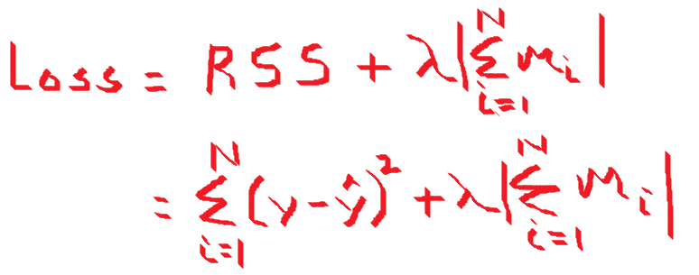
 |  |  |  |  |  |  |  |  |  | What is Lambda :
 |  |  |  |  |  |  |  |  |  |  | Can be anything and it's a constant , but not a learning rate .
 |  |  |  |  |  |  |  |  |  |  | Should be calculated by cross validation as to what suits the model .

 |  |  |  |  |  |  |  |  |  |  |  |  |  |  | 500

 |  |  | Reduce overfitting |  |  |  |  |  |  |  |  |  |  |  | 300
 |  |  | Helps in feature selection
 |  |  |  | reduces some co-efficients exactly to '0' . Some slopes will go towards 0.
 |  |  |  | y = m1x1 + m2x2 + m3x3 + … + c
 |  |  |  |  | m3 -> 0

 | 2 ) Ridge Regression ( L2 Regularization )
 |  |  |  |  |  |  |  |  |  |  |  |  | y = m1x1 + m2x2 +….+c
 |  | Penalizes the model based on the sum of squares of magnitudes of the co-efficients .
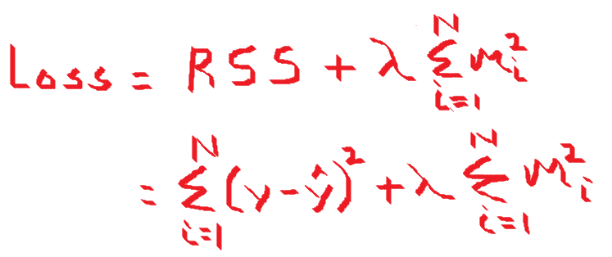

 |  |  |  | If the value of cost function is very high , it penalizes more .
 |  |  |  | Never makes co-efficient value exactly to '0' .
 |  |  |  | Thus the final model will still contains all those predictors , though with less weights .

 | 3 ) Elastic Net

 |  | Combination of L1 & L2

 |  |  |  |  |  |  |  |  |  |  | Alpha :
 |  |  |  |  |  |  |  |  |  |  |  | Alpha is a constant , not a learning rate
 |  |  |  |  |  |  |  |  |  |  |  | [0 , 1 ]

 |  |  |  |  |  |  | L2 | L1

 | When to use which Regularization function :

 |  | Preferable to use a little bit of regularization .
 |  | Avoid plane Linear Regression
 |  | Ridge is good by default .
 |  | If only few features are useful - prefer use Lasso or Elastic Net . Because unnecessary features will be removed .
 |  | Elastic Net is preferrable over Lasso since Lasso may behave erratically when the number of feature is greater than the no. of training instances or when serveral feature is strongly co-related .

 |  |  |  |  |  |  |  |  |  |  | Linear Graph
 | Polynomial Regression |  |  |  |  |  |  |  |  |  |  |  |  | m = thetta value |  |  |  |  | Polynomial Graph

 |  | Linear Regression |  |  | y = mx+c
 |  | Multi-linear Regression |  |  | y = m1x1+m2x2+m3x3+….+c
 |  | Polynomial Regression |  |  | y = m1x + m2x**2 + m3.x**3

 |  |  |  |  |  | m1 , m2 , m3 - are features
 |  |  |  |  |  | x**2 , x**3 - are co-efficients

 |  |  |  |  | ( actually should be like y = m1.x1 + m2**2.x2+m3**3.x3)
 |  |  |  |  |  |  |  |  |  |  |  |  |  |  |  |  | This means relationship between x & y cann't be described
 |  |  |  |  |  |  |  |  |  |  |  |  |  |  |  |  | linearly . Here comes the time to use Polynomical Regression .
 |  | Linear in Linear Regression does not talk about the degree of the Polynomial equation in terms of the dependent variable(x). Instead, it talks about the degree of the coefficients.
 |  | The coefficients are only of degree 1, hence the name Linear Regression.
 |  | But in Polynomial : It talks about degree of co-efficients .

 | References :

 | Regularization |  | https://www.analyticsvidhya.com/blog/2021/11/study-of-regularization-techniques-of-linear-model-and-its-roles/
 | Polynomial Regression |  | https://towardsdatascience.com/polynomial-regression-bbe8b9d97491
 | Linear Regression |  | https://www.analyticsvidhya.com/blog/2021/06/linear-regression-in-machine-learning/
 |  |  | https://www.analyticsvidhya.com/blog/2021/05/all-you-need-to-know-about-your-first-machine-learning-model-linear-regression/

Logistic Regression
Logistic Regression

 | Helps to solve classification problem
 | Binary classification :
 |  | probability > 50% -> assign to particular class |  |  |  |  | P(x) - [0,1]
 |  | probability < 50% -> assign to other class
 |  |  |  |  |  |  |  |  |  |  | Logistic Regression
 |  |  |  | Regression
 |  |  |  |  |  |  |  |  |  |  | side |  |  | We don't look for y-value
 |  |  |  |  |  |  |  |  |  |  |  |  |  | We look for side
 |  |  |  |  |  |  |  |  |  |  |  |  | Separator or devider | Separating dataset

 |  |  |  |  |  |  |  |  |  |  | side

 | Sigmoid Function

 |  | Sigmoid function's ranges between 0 < f(x) < 1
 |  | So it's useful to calculate the probability for Logistic function .
 |  | It's derivative is easy to calculate than other functions during Gradient Descent calculation .

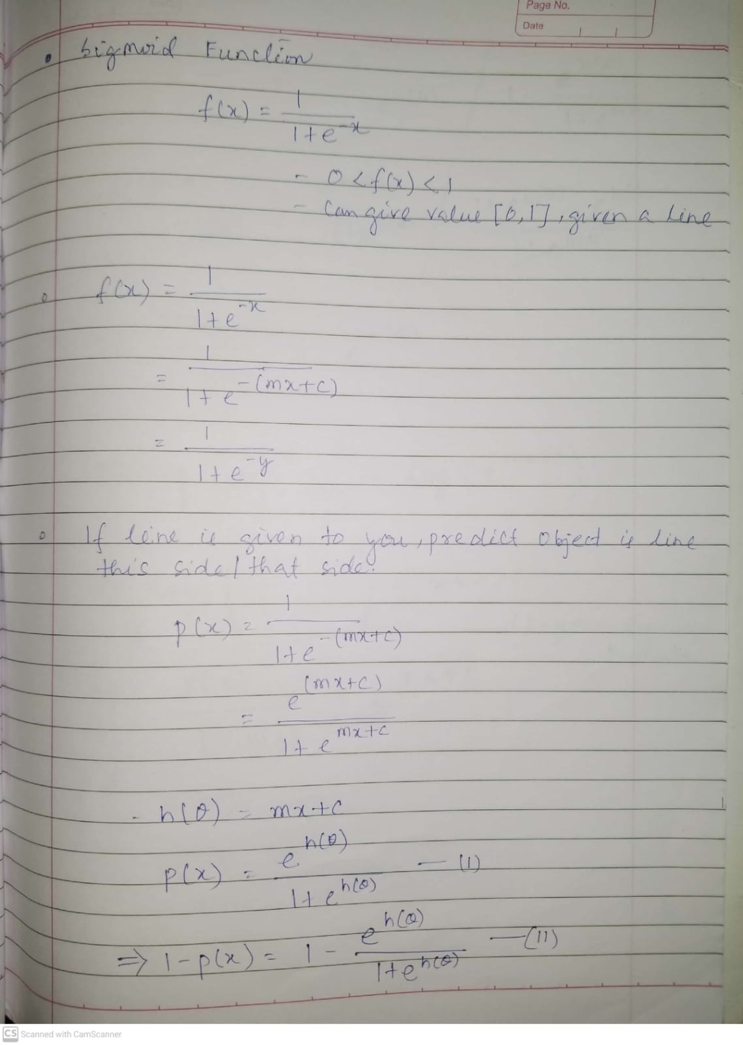
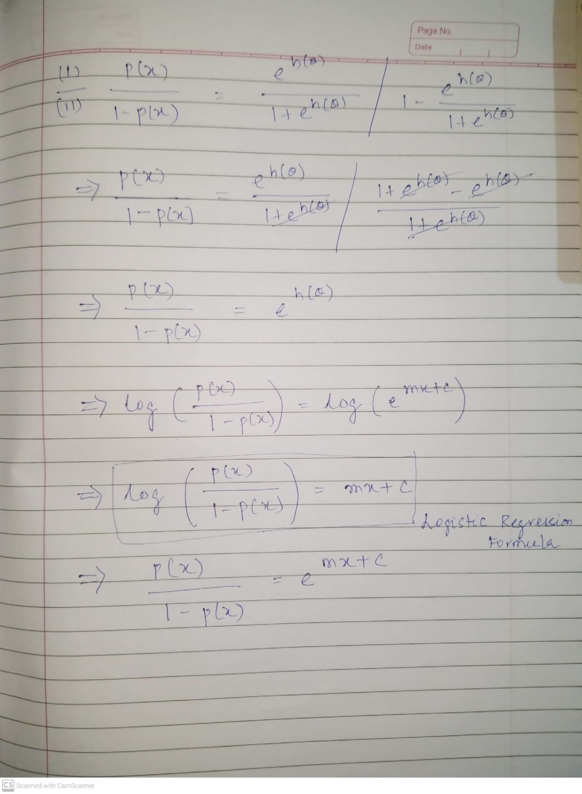

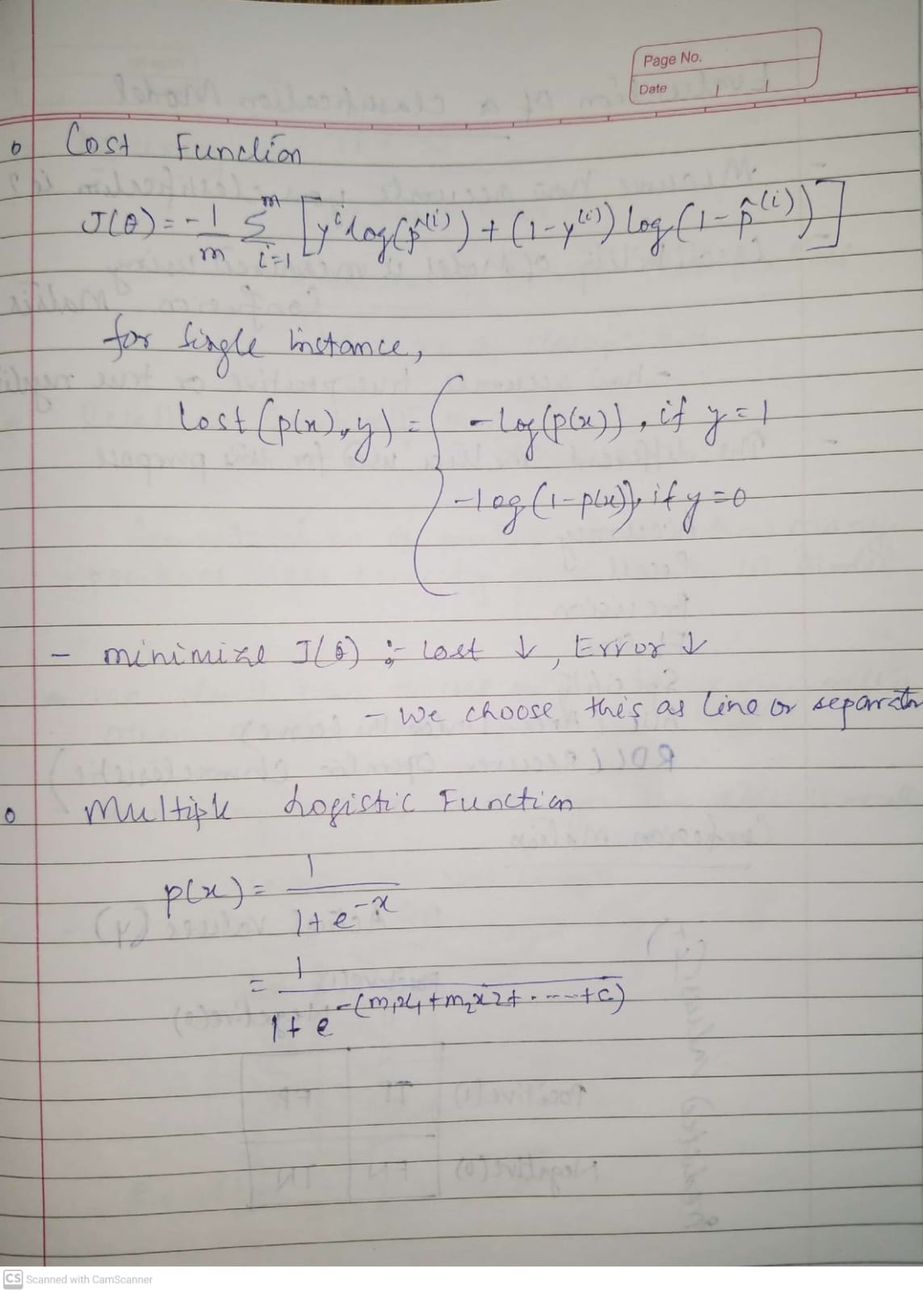

 | Multinomial Logistic Regression ( No. of labels > 2 )

 |  | We can go ahead with class with maximum probability where no. of labels > 2 )

 | Evaluation of Classification Model

 |  | Once we have a result of the classification problem , how do we measure how accurate is our classification is ? Different Matrix used are :

 |  | Accuracy
 |  | Recall
 |  | Precision
 |  | F1 Scrore
 |  | Specificity
 |  | AUC ( Area Under the Curve )
 |  | RUC ( Receiver Operator Characteristics )

 |  | Confusion Matrix
 |  |  |  |  |  | y
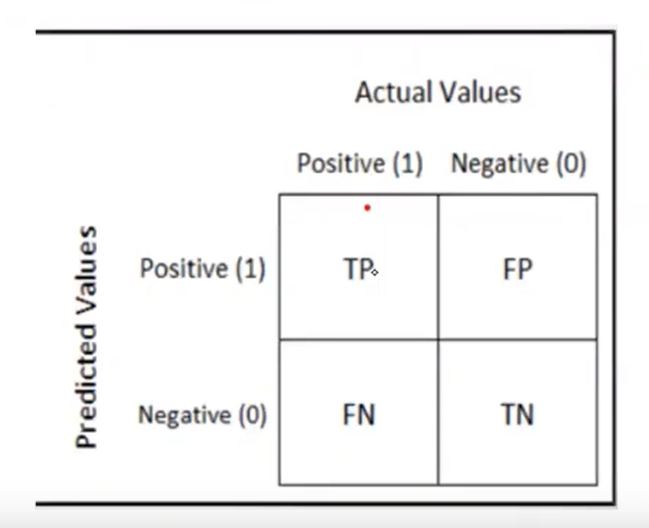
 |  |  |  |  |  |  |  |  |  | True Positive

 |  |  |  |  |  |  |  |  |  | Expecting | +ve
 |  |  | y_hat |  |  |  |  |  |  | Result | +ve

 |  |  |  |  |  |  |  |  |  | Type-I Error ( False Positive Rate ) |  |  | = FP/FP+TN

 |  |  |  |  |  |  |  |  |  | Type-II Error ( False Negative Rate ) |  |  | = FN/FN+TP

 |  |  |  | - | Always aim should be to reduce Type-I and Type-II Error
 |  |  |  | -
 |  |  |  |  | TP | FP | Most accurate result
 |  |  |  |  | FN | TN

 |  |  |  | - in Imbalance dataset , we cann't use Accuracy

 |  |  |  |  |  | Class-A | 900 | 100 | Class-B
 |  |  |  |  |  |  | 900 + 0 / 1000 |  | 90%

 |  |  |  | - So use Recall or Precision for Imbalance dataset .
 |  | Accuracy

 |  |  |  |  |  |  | Total no. of correct classification
 |  |  |  |  |  |  | by
 |  |  |  |  |  |  | Total no. of classification

 |  | Recall |  |  |  |  | Corona or Cancer case

 |  |  |  |  |  |  | From the total no. of positive result how many positives were correctly predicted by the model .

 |  |  |  |  | Corona | Not Corona
 |  |  |  |  | 60 | 40

 |  |  |  |  | TP 20 | FP 0 |  | Recall = | 20/20+40 | = 33%
 |  |  |  |  |  |  |  | Accuracy | 20+40 / 20+0+40+40 |  | = 60/100 | = 60%
 |  |  |  |  | FN 40 | TN 40
 |  |  |  |  |  |  |  | 33% < 60% -> Mayn't accept the model
 |  |  |  |  |  |  |  |  | Will you go ahead with Accuracy here ? No
 |  |  |  |  |  |  |  |  |  | Because overall accuracy is good , but not able to predict +ve cases

 |  | Precision

 |  |  |  |  | Corona | Not Corona
 |  |  |  |  | 60 | 40

 |  |  |  |  | TP 20 | FP 0 |  | Precision | 20/20+0 | = 100%

 |  |  |  |  | FN 40 | TN 40 |  |  | Not able to find our the classification
 |  |  |  |  |  |  |  |  | Not able to lable a patient if a person is not having corona .

 |  |  | - | Mail is NOT a spam , but model has predicted it's a spam .
 |  |  |  |  | 1 | 0 |  |  | Not a spam
 |  |  |  | 1 | TP | FP |  |  | Predicted as spam
 |  |  |  | 0 | FN | TN

 |  |  |  | Customer might miss the mail , so reduce FP .

 |  | F1 Score

 |  |  |  | Harmonic Mean |  | = 2 * PR / ( P + R )

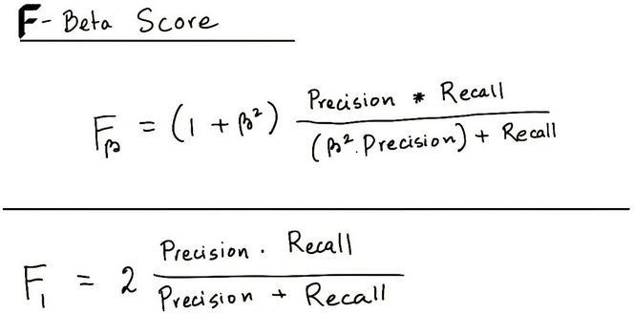

 |  |  |  | beta = 1 | F1-Score
 |  |  |  | beta = 0.5 | F0.5 Score
 |  |  |  | beta = 2 | F2 Score

 |  |  |  | When we use beta=1 => When FP and FN are equally important .

 |  | Specificity
 |  |  | True Negative Rate

 |  |  |  |  | 1 | 0
 |  |  |  | 1 | TP | FP
 |  |  |  | 0 | FN | TN

 |  | ROC | Receiver Operator Characteristics

 |  |  | Classification algorithm works on the basis of Probability of Occurance and thresold value we set .
 |  |  | This is because we won't get perfect 1 value or 0 value .
 |  |  | If thresold is 0.5 , probability < 0.5 => negative or unfafourable outcome , probability > 0.5 => positive or fafourable outcome

 |  |  |  | p(x) = 1 / 1 + e-x
 |  |  |  | = 1 / 1 + e -(mx+c )

 |  |  |  |  | y
 |  |  |  |  | 1 | 0
 |  |  | y_hat | 1 | TP | FP |  |  | Our confusion matrix will depend on the value of the thresold choosen by us .
 |  |  |  | 0 | FN | TN

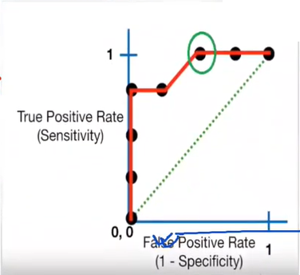

 |  |  |  |  |  |  |  |  |  |  | False Positive - Low
 |  |  |  |  |  |  |  |  |  |  | True Positive - High

 |  |  | We will have multiple confusion matrix based on multiple thresold value . Each black dot is one confusion matrix .
 |  |  | Green dotted line represents when True Positive Rate = False Positive Rate
 |  |  | As we move from rightmost dot towards left , after a certain thresold , the False Positive Rate decreases .
 |  |  | Green circled line is the best point as it predicts all values correctly and keeps the false positive as minimum .
 |  |  | ROC curve answers our questions of which threshold to choose .

 |  | But we have a confusion ?

 |  |  | Say we are using different classification algorithms ( Decision Tree , XGBoost , Random Forest , etc ) , and different ROCs for the corressponding algorithms have been plotted .
 |  |  | Which algorithm to choose ? : Answer is : Calculate AUC for each ROCs.Which ever has more AUC choose that algorithm .

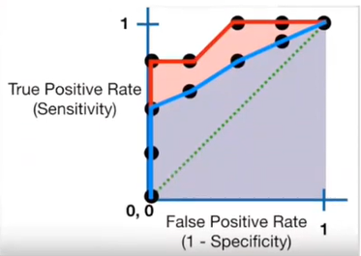

 | Advantages of Logistic Regression

 |  | Simple and easy to implement
 |  | Expresses relationship between independent and dependent variable .
 |  | Very effective with linearly separable data

 | Disadvantages

 |  | Not effective with data which are not linearly separable
 |  | Not as powerful as other classification models
 |  | Multiclass classification are much easier to do with other algorithms than logistic regression
 |  | It can only predict categorical outcomes .

Reference

Explaination |  | https://www.analyticsvidhya.com/blog/2021/08/conceptual-understanding-of-logistic-regression-for-data-science-beginners/
Confusion Matrix |  | https://towardsdatascience.com/understanding-confusion-matrix-a9ad42dcfd62

